Wheels
 |  |  | S = Standard Equipment A = Available -- (dashes) = Not Available D = ADI Available ■ = Included in Equipment Group □ = Included in Equipment Group but upgradeable * = Indicates availability of feature on multiple models.
 |  |  | 1: Available on all models. 2: Available on Crew Cab CC10543 and CK10*43 and Double Cab C*10753 models. 3: Available on Crew Cab C*10*43 and Double Cab C*10753 models. 4: Available on Crew Cab CC10543 and CK10*43 and Double Cab CK10753 models. 5: Available on Crew Cab CC10543 and CK10*43 models. 6: Available on 4WD Crew Cab CK10*43 models. 7: Available on 4WD Crew Cab Short Bed CK10543 models.
Orderable RPO Code | Ref. Only RPO Code | Wheels | Description | Work Truck 1WT1 | Custom 1CX2 | Custom Trail Boss 2CX6 | LT 1LT3 | RST 1SP4 | LT Trail Boss 2LT6 | ZR2 3LT7 | LTZ 1LZ5 | High Country 3LZ6
RPP |  | No Image Available | Wheels, 17" x 8" (43.2 cm x 20.3 cm) Black painted steel, Steel wheels will have a low gloss Black paint finish and centre caps will be painted with high gloss Black 1. Requires a Fleet or Government Sales order. Requires Crew Cab or Regular Cab model. | A1 | -- | -- | -- | -- | -- | -- | -- | --
 | RCW | 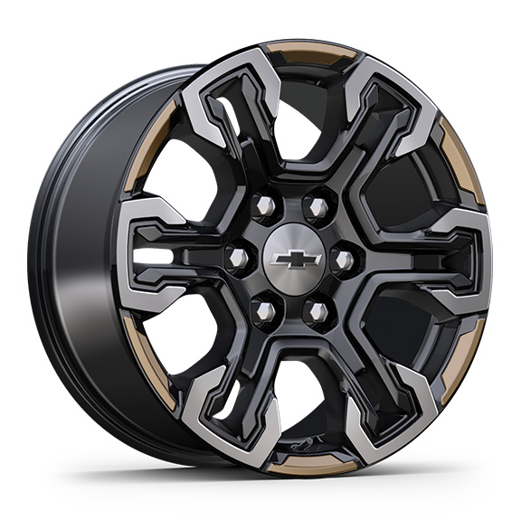 | Wheels, 18" x 8.5" (45.7 cm x 21.6 cm) aluminum machined face with Black Painted spokes and Oxide Gold painted outer ring accents | -- | -- | -- | -- | -- | -- | □ | -- | --
RCV |  | 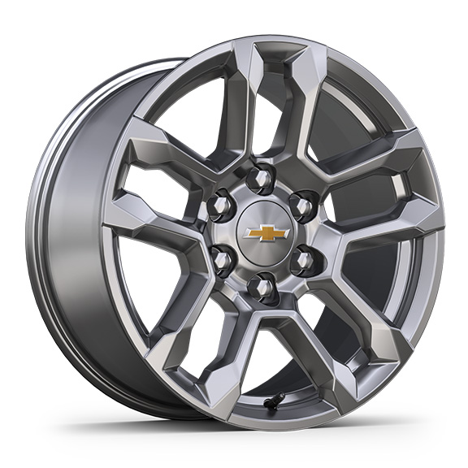 | Wheels, 18" x 8.5" (45.7 cm x 21.6 cm) Bright Silver painted aluminum 1. Requires Crew Cab or Double Cab model, (L84) 5.3L EcoTec3 V8 engine, (Z71) Z71 Off-Road Package and (R3O) LT275/65R18 Goodyear Wrangler Territory tires. 2. Included with (Z71) Off-Road Package or (PDZ) Z71 Off-Road and Protection Package. 3. Requires a Fleet or Government Sales order. Requires (Z71) Z71 Off-Road Package and (R3O) LT275/65R18 Goodyear Wrangler Territory tires. | A1 | -- | -- | A2 | □ | -- | -- | A3 | --
 | RHO | 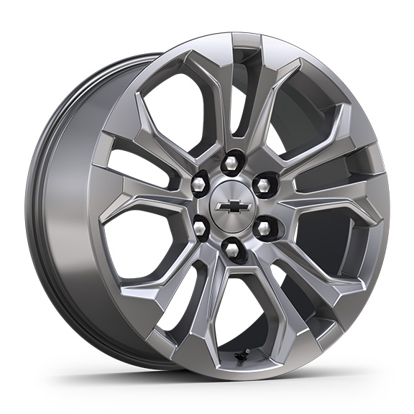 | Wheels, 20" x 9" (50.8 cm x 22.9 cm) Sterling Silver painted Aluminum | -- | -- | -- | -- | -- | -- | -- | S | --
NZN |  | 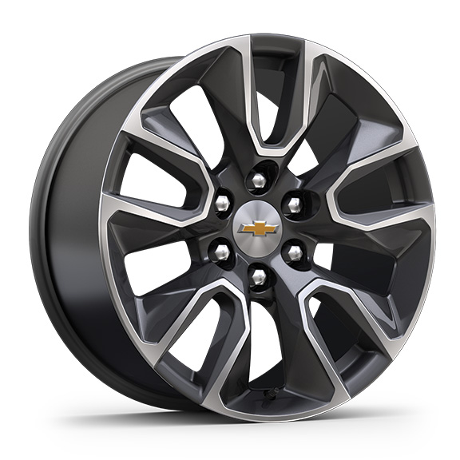 | Wheels, 20" x 9" (50.8 cm x 22.9 cm) Painted aluminum with machined face and Grazen Painted pockets 1. Included with (PDD) True North Edition Plus. 2. Included with (PDD) True North Edition Plus. Not available with (STH) Rally Edition or (WGQ) Redline Edition. | -- | -- | -- | A1 | A2 | -- | -- | -- | --
Q5U |  | 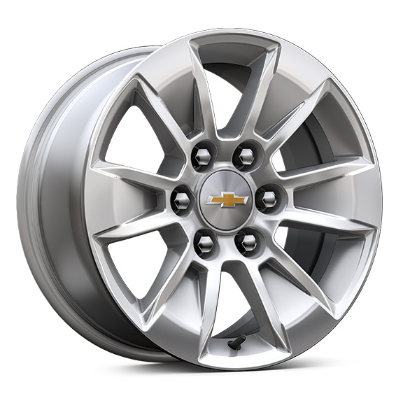 | Wheels, 17" x 8" (43.2 cm x 20.3 cm) Bright Silver painted aluminum 1. Not available with (VYU) Snow Plow Prep Package. | A1 | -- | -- | □ | -- | -- | -- | -- | --
 | NZP | 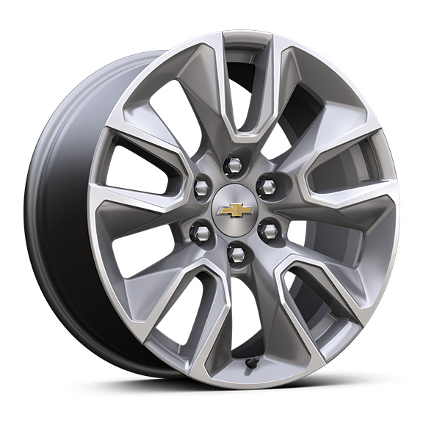 | Wheels, 20" x 9" (50.8 cm x 22.9 cm) Bright Silver painted aluminum | -- | S | -- | -- | -- | -- | -- | -- | --
RD1 |  | 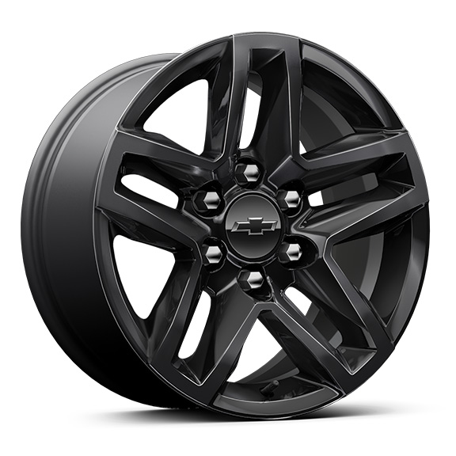 | Wheels, 18" x 8.5" (45.7 cm x 21.6 cm) High gloss Black painted aluminum | -- | -- | □ | -- | -- | A | -- | -- | --
SEV |  | 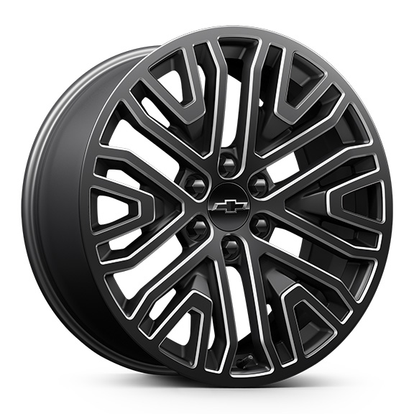 | LPO, 22" (55.9 cm) 6-spoke Low Gloss Black wheels with machined accents, LPO wheels will come with 4 steel 22" wheels from the factory with alignment specs set to 22" LPO wheel selected (dealer-installed) 1. Not available with (Z71) Z71 Off-Road Package or (NHT) Max Trailering Package. 2. Requires (Z45) Adaptive Ride Control. Not available with (Z71) Z71 Off-Road Package or (NHT) Max Trailering Package. | -- | -- | -- | A1 | A1 | -- | -- | A1 | A2
SGM |  | 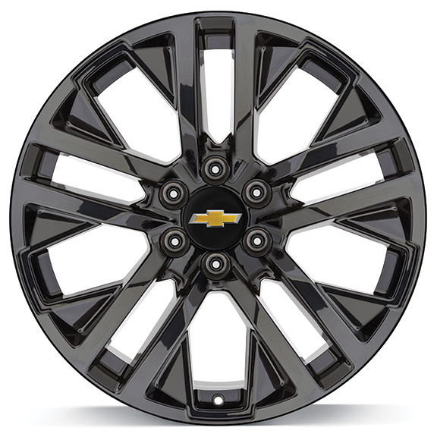 | LPO, 22" (55.9 cm) High Gloss Black wheels, LPO wheels will come with 4 steel 22" wheels from the factory with alignment specs set to 22" LPO wheel selected (dealer-installed) 1. Not available with (Z71) Z71 Off-Road Package or (NHT) Max Trailering Package. 2. Requires (Z45) Adaptive Ride Control. Not available with (Z71) Z71 Off-Road Package or (NHT) Max Trailering Package. | -- | -- | -- | A1 | A1 | -- | -- | A1 | A2
RD6 |  | 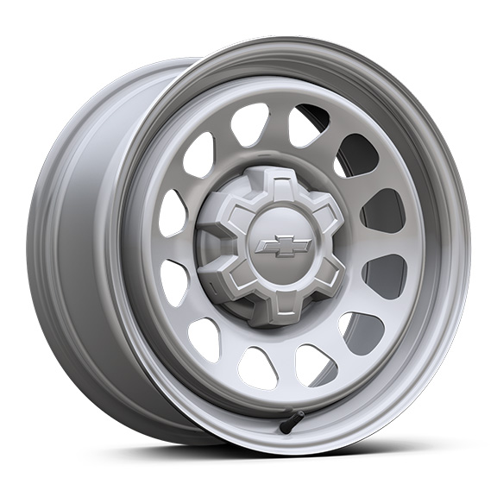 | Wheels,17" x 8" (43.2 cm x 20.3 cm) Ultra Silver painted steel | □ | -- | -- | A | -- | -- | -- | -- | --
RD5 |  | 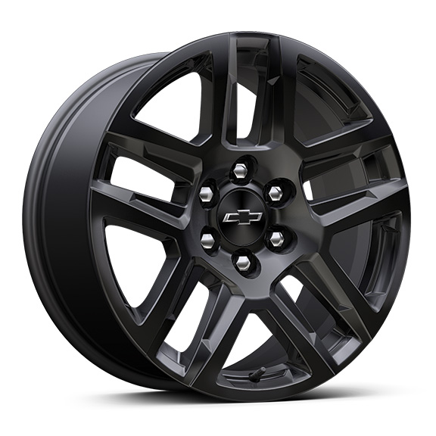 | Wheels, 20" x 9" (50.8 cm x 22.9 cm) High gloss Black painted aluminum 1. Included with (PCW) TurboMax Blackout Package or (STH) Rally Edition. Required with (PDJ) Realtree Appearance Package, LPO. 2. Included with (PCW) TurboMax Blackout Package. 3. Not available with (WGQ) Redline Edition. 4. Included and only available with (WJP) Midnight Edition. | -- | A1 | A2 | -- | A3 | □ | -- | -- | A4
SEZ |  | 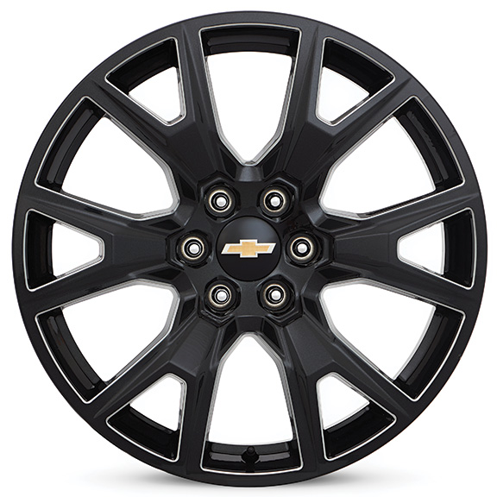 | LPO, 22" (55.9 cm) Carbon flash metallic wheels, LPO wheels will come with 4 steel 22" wheels from the factory with alignment specs set to 22" LPO wheel selected (dealer-installed) 1. Not available with (Z71) Z71 Off-Road Package or (NHT) Max Trailering Package. 2. Requires (Z45) Adaptive Ride Control. Not available with (Z71) Z71 Off-Road Package or (NHT) Max Trailering Package. | -- | -- | -- | A1 | A1 | -- | -- | A1 | A2
SEU |  | 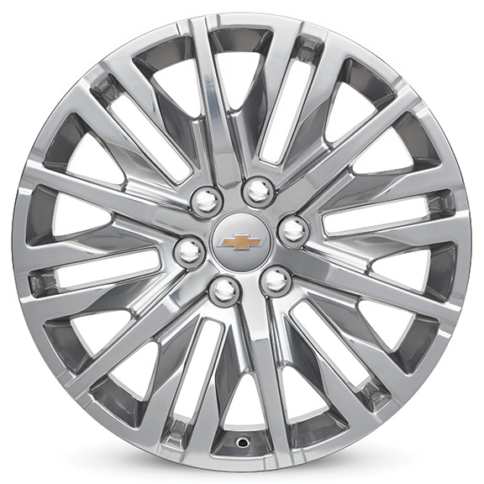 | LPO 22" (55.9 cm x 22.9 cm) Polished aluminum, LPO wheels will come with 4 steel 22" wheels from the factory with alignment specs set to 22" LPO wheel selected (dealer-installed) 1. Not available with (Z71) Z71 Off-Road Package or (NHT) Max Trailering Package. 2. Requires (Z45) Adaptive Ride Control. Not available with (Z71) Z71 Off-Road Package or (NHT) Max Trailering Package. | -- | -- | -- | A1 | A1 | -- | -- | A1 | A2
 | PXT | 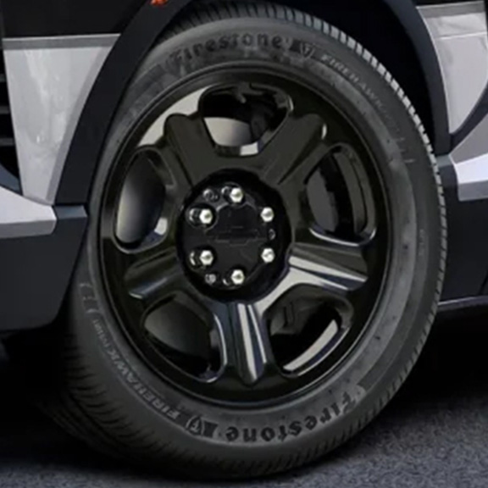 | Wheels, 20" x 9" (50.8 cm x 22.9 cm) Black painted steel 1. Included and only available with (9C1) Police Pursuit Package. | A1 | -- | -- | -- | -- | -- | -- | -- | --
 | RPS | 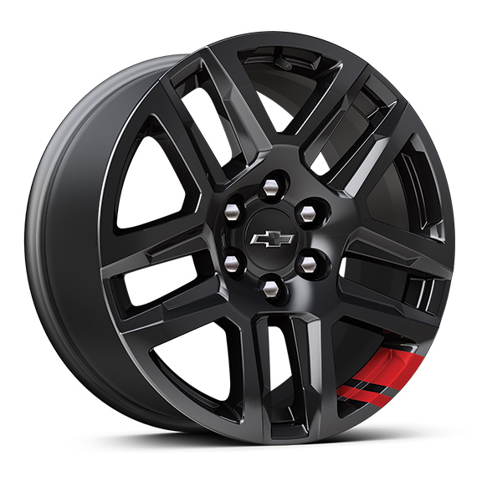 | Wheels, 20" x 9" (50.8 cm x 22.9 cm) High gloss Black painted aluminum with Red stripes 1. Included and only available with (WGQ) Redline Edition. | -- | -- | -- | -- | A1 | -- | -- | -- | --
SRL |  | 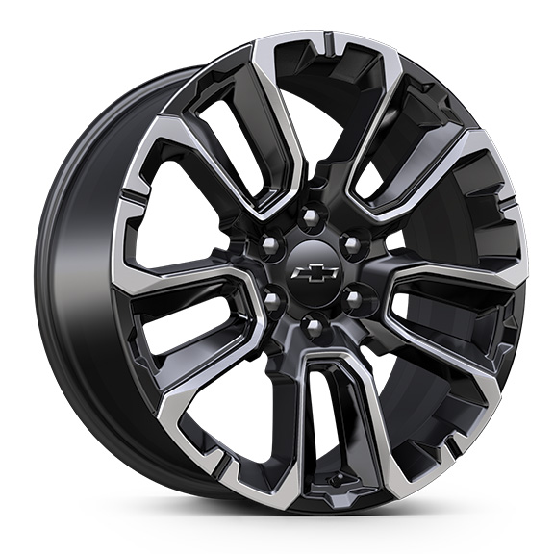 | LPO, 22" (55.9 cm) Black wheels with selective machining, LPO wheels will come with 4 steel 22" wheels from the factory with alignment specs set to 22" LPO wheel selected (dealer-installed) 1. Not available to order at this time. Not available with (Z71) Z71 Off-Road Package or (NHT) Max Trailering Package. 2. Not available to order at this time. Requires (Z45) Adaptive Ride Control. Not available with (Z71) Z71 Off-Road Package or (NHT) Max Trailering Package. | -- | -- | -- | A1 | A1 | -- | -- | A1 | A2
RQL |  | 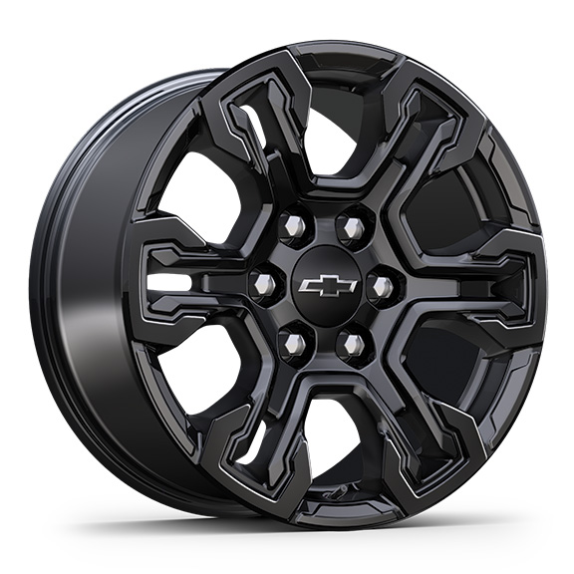 | Wheels, 18" x 8.5" (45.7 cm x 21.6 cm) Gloss Black | -- | -- | -- | -- | -- | -- | A | -- | --
 | NZV | 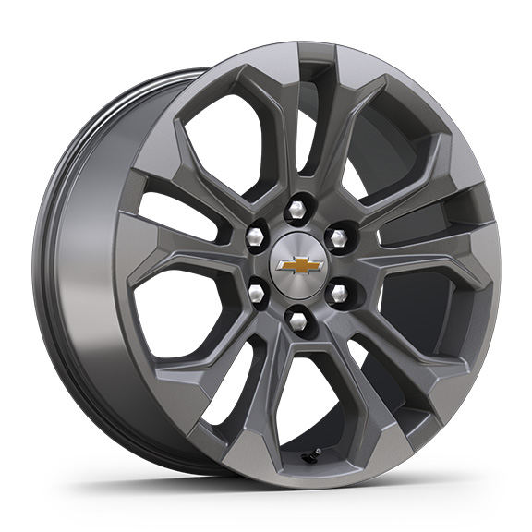 | Wheels, 20" x 9" (50.8 cm x 22.9 cm) machined aluminum with Charcoal pockets | -- | -- | -- | -- | -- | -- | -- | -- | □
RPT |  | 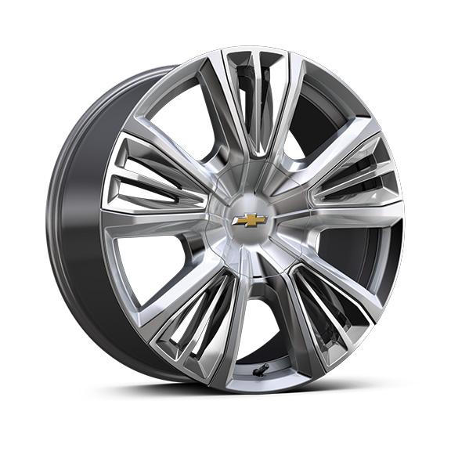 | Wheels, 22" x 9" (55.9 cm x 22.9 cm) painted aluminum with Chrome inserts 1. Requires (Z45) Adaptive Ride Control and (XCE) 275/50R22 all-season, blackwall tires. Included with (PDM) High Country Premium Package. Not available with (Z71) Z71 Off-Road Package or (NHT) Max Trailering Package. | -- | -- | -- | -- | -- | -- | -- | -- | A1
SRV |  | 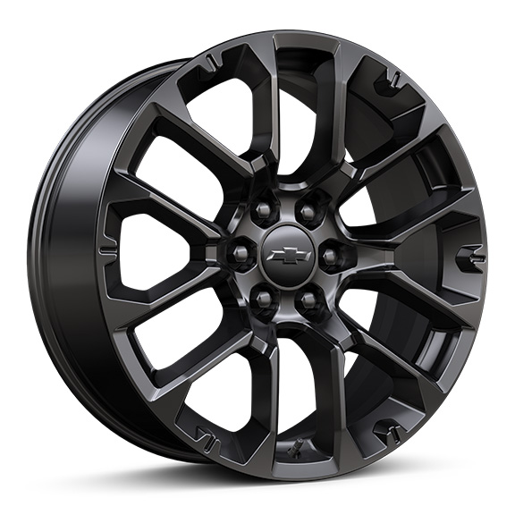 | LPO, 22" (55.9 cm) High Gloss Black multi-spoke wheels, LPO wheels will come with 4 steel 22" wheels from the factory with alignment specs set to 22" LPO wheel selected (dealer-installed) 1. Not available with (Z71) Z71 Off-Road Package or (NHT) Max Trailering Package. 2. Requires (Z45) Adaptive Ride Control. Not available with (Z71) Z71 Off-Road Package or (NHT) Max Trailering Package. | -- | -- | -- | A1 | A1 | -- | -- | A1 | A2
 | Q81 | 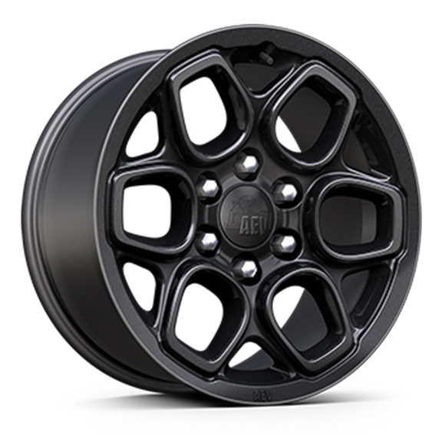 | Wheels, 18" x 8.5" (45.7 cm x 21.6 cm) Gloss Black AEV 1. Included and only available with (ULV) ZR2 Bison Edition. | -- | -- | -- | -- | -- | -- | A1 | -- | --
EU2 |  | 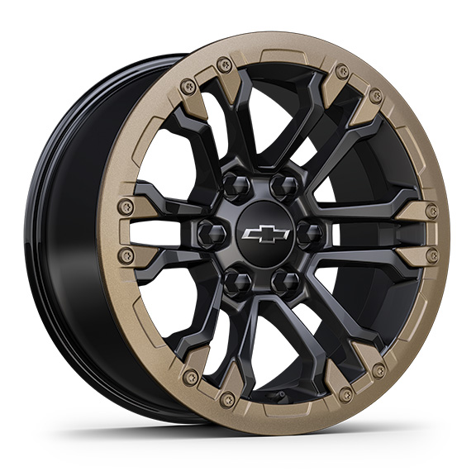 | LPO, 18" Black Face Beadlock capable wheels with Oxide Gold Decorative Ring, (dealer installed), includes black lug nuts and wheel locks 1. Not available with (ULV) ZR2 Bison Edition. | -- | -- | -- | -- | -- | -- | A1 | -- | --
SSW |  | 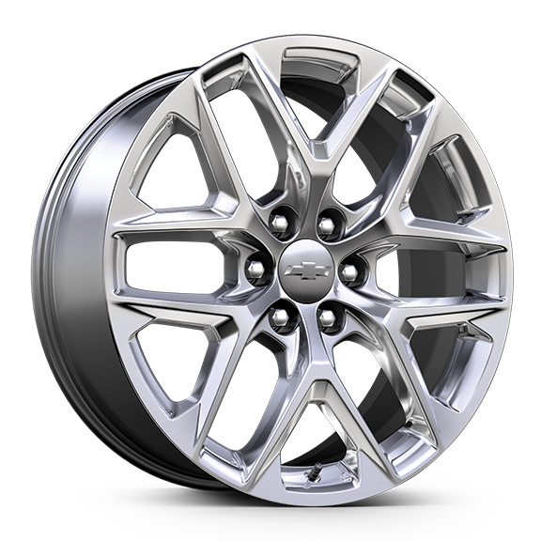 | LPO, 22" (55.9 cm) Bright multi-spoke wheels, LPO wheels will come with 4 steel 22" wheels from the factory with alignment specs set to 22" LPO wheel selected (dealer-installed) 1. Not available with (Z71) Z71 Off-Road Package or (NHT) Max Trailering Package. 2. Requires (Z45) Adaptive Ride Control. Not available with (Z71) Z71 Off-Road Package or (NHT) Max Trailering Package. | -- | -- | -- | A1 | A1 | -- | -- | A1 | A2
SFU |  | 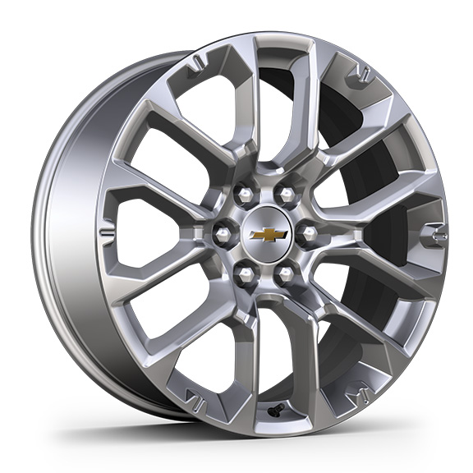 | LPO, 22" (55.9 cm) Bright split-spoke wheels, LPO wheels will come with 4 steel 22" wheels from the factory with alignment specs set to 22" LPO wheel selected (dealer-installed) 1. Not available with (Z71) Z71 Off-Road Package or (NHT) Max Trailering Package. 2. Requires (Z45) Adaptive Ride Control. Not available with (Z71) Z71 Off-Road Package or (NHT) Max Trailering Package. | -- | -- | -- | A1 | A1 | -- | -- | A1 | A2

